Sheet1
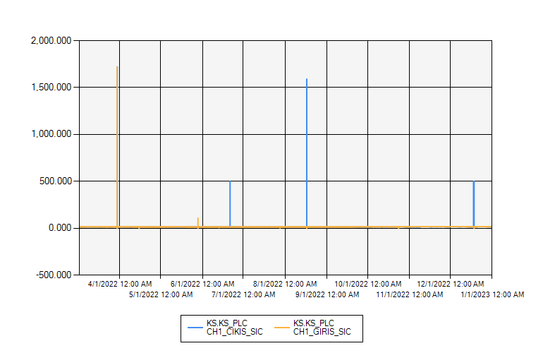
 | CHILLER 1 GIRIS-CIKIS SU SICAKLIĞI 2022 YILI

1/1/2022 12:00:00 AM - 1/1/2023 12:00:00 AM (Server Local)

